Workforce
Mirvac Limited 2023 Sustainability Reporting

Mirvac | Workforce
PwC assured figures are highlighted in red.

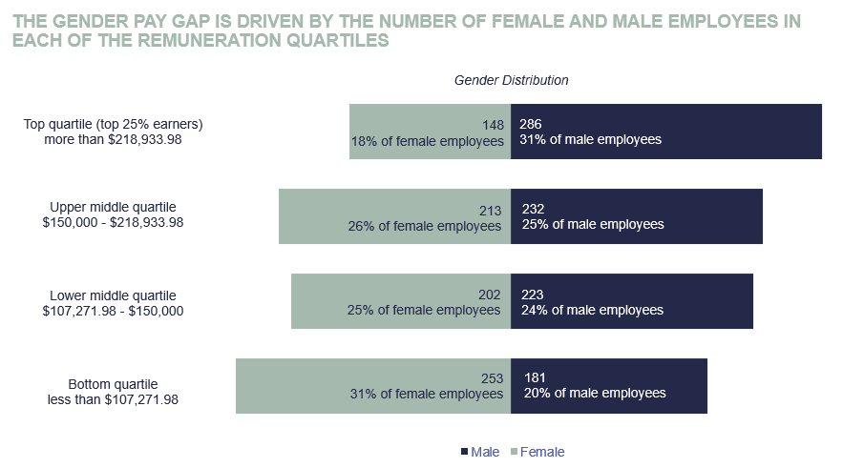
Employment Type by Gender |  |  |  |  | Staff Turnover |  |  | Employee Engagement |  | Workforce by age category |  |  |  |  |  | Gender Pay Gap: Remuneration Quartiles and Gender Composition | Learning and Development:
 | Female | Male | Non-Binary | Total | Voluntary Turnover |  |  | Year | Favourability | Age | Female | Male | Non-Binary | Total | % |  | Mirvac is committed to supporting the development of all its employees, to ensure the long-term success of both the organisation and our people. Our People Strategy promotes “Learning for All” and highlights our continued focus towards building on capabilities, leadership and culture to Reimagine Urban Life. The Mirvac Learning Academy aims to provide an ecosystem of people, resources and systems to empower all employees to curate their own career pathway. Our learning framework JOIN, GROW and LEAD offers development and learning at all levels within the organisation. All employees complete a development plan as part of the annual performance review process. This discussion provides the opportunity for the manager and employee to identify learning and development needs and career aspirations. Some of our programs include: - Our Elev8 and LEED programs are our accelerated leadership development programs for our emerging talent, high potentials and rising stars. - Leadership Fundamentals (which includes Inclusive Leadership) is a program that equips our people managers to have meaningful conversations about career, wellbeing and overall professional development. - The Mirvac Mentoring Program is offered to all employees that wish to increase skills and leadership capabilities. - Our Aspire Program is a 12-month development program curated for women in construction with the aim to grow our female emerging talent. - Further to this, our online learning portal offer over 3,000 modules including short courses, videos and TED talks. This resource is accessible to all Mirvac employees.
Casual Staff | 25 | 17 | 0 | 42 | FY22 | 15.6% |  | FY22 | 80% | <25 | 68 | 65 | 0 | 133 | 8%
Fixed Term Full Time | 26 | 20 | 0 | 46 | FY23 | 13.0% |  | FY23 | 79% | 25 - <35 | 289 | 242 | 1 | 532 | 31%
Fixed Term Part Time | 24 | 18 | 0 | 42 |  |  |  |  |  | 35 - <45 | 275 | 309 | 0 | 584 | 34%
Permanent Full-Time | 662 | 856 | 1 | 1519 | Staff on Collective Bargaining Agreement/Industry Award |  |  | Median age of workforce |  | 45 - <55 | 145 | 187 | 0 | 332 | 19%
Permanent Part-Time | 83 | 6 | 0 | 89 |  |  |  | Year | Median age | 55 - <65 | 37 | 96 | 0 | 133 | 8%
Total | 820 | 917 | 1 | 1738 | On an agreement | 5% |  | FY22 | 38 years | >65 | 6 | 18 | 0 | 24 | 1%
 |  |  |  |  | Not on an agreement | 95% |  | FY23 | 38 years | Total | 820 | 917 | 1 | 1738
Board of Directors by Age & Gender
 | Female | Male | Non-Binary | Total | Absenteeism (%) |  |  |  |  | Level from CEO
Under 30 years | 0 | 0 | 0 | 0 |  | Female | Male | Non-Binary | Total |  | Female | Male | Non-Binary
30-50 years | 0 | 0 | 0 | 0 | New South Wales* | 3.0% | 2.2% | N/A | 2.6% | CEO | 0% | 100% | 0%
Over 50 years | 3 | 5 | 0 | 8 | Queensland | 3.6% | 2.0% | N/A | 2.6% | 1 level from CEO | 44% | 56% | 0%
Total | 3 | 5 | 0 | 8 | Victoria | 2.6% | 2.3% | N/A | 2.4% | 2 levels from CEO | 51% | 49% | 0%
 |  |  |  |  | Western Australia | 3.9% | 2.2% | N/A | 3.1% | 3 levels from CEO | 50% | 50% | 0%
Employment by Region & Gender |  |  |  |  | Total | 3.0% | 2.2% | N/A | 2.5% | 4 levels from CEO | 54% | 46% | 0%
 | Female | Male | Non-Binary | Total |  |  |  |  |  | 5 levels from CEO | 54% | 46% | 0%
New South Wales* | 574 | 614 | 0 | 1188 | Parental Leave Return |  |  |  |  | 6 & above levels from CEO | 32% | 68% | 0%
Queensland | 76 | 99 | 1 | 176 |  | Female | Male | Non-Binary
Victoria | 147 | 183 | 0 | 330 | Entitled to parental leave % | 69% | 69% | 0%
Western Australia | 23 | 21 | 0 | 44 | On parental leave during FY23 | 94 | 60 | 0 |  | Gender Pay Gap: Comparing like-for-like roles
Total | 820 | 917 | 1 | 1738 | Planned Return to work (FY23) | 44 | 50 | 0 |  |  | Like-for-like Pay Gap
*NSW is inclusive of ACT |  |  |  |  | Actual Return to work | 39 | 48 | 0 |  | 2016-17 | 0% |  | Mirvac is compliant with the Workplace Gender Equality Agency's reporting requirements
 |  |  |  |  | Return to work rate (%) | 89% | 96% | 0% |  | 2017-18 | 0%
Gender Breakdown |  |  |  |  |  |  |  |  |  | 2018-19 | 0%
 | Female | Male | Non-Binary |  | Mirvac offers 20 weeks paid parental leave for primary carers and 4 weeks paid parental leave for secondary carers for all permanent employees with more than 6 months continuous service. Our policy also continues to pay Superannuation for any period of paid and unpaid parental leave. |  |  |  |  | 2019-20 | 0%
Mirvac Group | 47.2% | 52.8% | 0.1% |  |  |  |  |  |  | 2020-21 | 0% |  |  |  |  |  | Living Wages: Mirvac is committed to paying a living wage and will provide employees with a total remuneration package that meets or exceeds the legal minimum required under the modern awards and the National Employment Standards. Mirvac has compared our wages to the Wage Indicator 2022 benchmark and can confirm that all employees are paid above the living wage standard. Employee Remuneration is reviewed periodically. Supplier Diversity: Mirvac has a public commitment to Social Procurement, with our social procurement strategy targeting $100m spend by 2030 (refer to annual report for tracking against this target). The strategy targets spending on categories including social enterprises, Indigenous businesses, charities and B Corp organisations. We are also tracking investment in the ‘Femeconomy’, being our spend on female owned enterprises. We will continue to track and report on spend on female owned enterprises and shape our strategies accordingly.
Mirvac Board | 37.5% | 62.5% | 0.0% |  |  |  |  |  |  | 2021-22 | 0%
Mirvac Senior Executive Manager | 41.5% | 58.5% | 0.0% |  |  |  |  |  |  | 2022-23 | 0% |  |  |  |  | By applying better consideration during recruitment or promoting talent, we are making inroads into traditionally male dominated parts of our workforce. For example, in FY23: - Construction: 32% of all new hires were female, which pushed female representation in Construction from 15% to 18% (up 3%) in 12 months. - Digital: 53% of all new hires were female, which pushed the female representation from 33% to 39% (up 6%) in 12 months.

 |  |  |  |  |  |  |  |  |  | Average Female FTE Salary as a percentage of Average Male FTE Salary
 |  |  |  |  |  |  |  |  |  | Job Level | Ratio | % of workforce
 |  |  |  |  |  |  |  |  |  | 1 | 98% | 8% | This method of presenting average female salaries as a proportion of average male salary by job level, unfortunately does not consider the significantly different roles within each job level. We complete an annual gender pay parity analysis with the Workplace Gender Equality Agency (WGEA) methodology. Through our analysis, there is no material evidence of any like-for-like gender pay gap.
 |  |  |  |  |  |  |  |  |  | 2 | 102% | 10%
 |  |  |  |  |  |  |  |  |  | 3 | 89% | 28%
 |  |  |  |  |  |  |  |  |  | 4 | 92% | 27%
 |  |  |  |  |  |  |  |  |  | 5 | 90% | 18%
 |  |  |  |  |  |  |  |  |  | 6 | 87% | 5%
 |  |  |  |  |  |  |  |  |  | 7 | 82% | 3%
 |  |  |  |  |  |  |  |  |  | Leadership Team | 75% | 1%

