Risk Ranking
Mirvac HSE
Element 3 - Risk Management
Risk & Opportunity Register
Mirvac HSE
Element 3 - Risk Management
Risk & Opportunity Register
Team members: Benjamin Scott |  |  | Date created for this workplace: Feb 2013 |  | Date of This Revision: 28/03/2023 | Workplace: 8 Chifley |  |  |  |  |  | Division: INVEStMENTS
 |  |  |  |  | Current Revision:(C)
LIKELIHOOD (L) |  |  | CONSEQUENCE (C) - IMPACT |  |  | RISK RANKING (R) |  |  |  |  |  | Risk Ranking Summary
 |  |  |  |  |  |  | 1 | 2 | 3 | 4 | 5 | EXTREME-These risks are Unacceptable. The work activity should be halted until Critical Controls are implemented which reduce the risk to no greater than High. If it is not possible to reduce the risk, the work should remain prohibited.
A | Almost Certain | Expected to be the outcome in most cases - 91 - 100% probable | 1 | Insignificant | First aid injury/s (FAI), minor environmental impact. Minor/ medium term social impacts on local population, or expected financial impact = < $10k. | A | M (8) | M (13) | H (18) | E (23) | E (25)

B | Likely | Will probably occur in most circumstances - 51 - 90% probable | 2 | Minor | Medical Treatment Injury (MTI), minor short term environmental impact. Attention from media & heightened concern by local community or expected financial impact = $10k - $100k. | B | M (7) | M (12) | H (17) | H (21) | E (24) | HIGH-These risks must be reduced where possible by implementing higher levels of Critical Control using the Hierarchy of Controls. Where the residual risk is not able to be reduced lower than High, a controlled work methodology must be in place and reviewed by the HSE Lead and Workplace Manager.

C | Possible | Might occur some time 31 - 50% probable | 3 | Moderate | Lost Time Injury (LTI). Serious irreversible injury/disease, serious medium term environmental harm. Adverse local media coverage, or expected financial impact = $100k - $1 mill. | C | L (4) | M (11) | H (16) | H (20) | H (22) | MEDIUM-Identified Critical Controls must be capable of reducing the risk by eliminating or minimising to an acceptable level. # Critical Activities & Monitoring are to be identified and implemented by Supervisory staff.
D | Unlikely | Could occur, but would not be expected - 10 - 30% probable | 4 | Major | Single fatality, permanent localised environmental harm. Substantial risk to corporate reputation, sustained adverse local media coverage, major repairs or project outcomes affected, or expected financial impact = $1 - 10 mill. | D | L (3) | M (6) | M (10) | H (15) | H (19) | LOW-The work is relatively safe and can be managed by following routine MMRs, procedures, guidelines & JSEA/SWMS. No further action is required, unless additional hazards arise during the work.
E | Rare | Rare that this would occur - no previous occurrence in similar circumstances - < 10% probable | 5 | Catastrophic | Multiple fatalities, permanent long term and extensive environmental harm. Extreme risk to corporate reputation, public outrage & national media coverage, high profile litigation, class action, threat to business division viability or expected financial outcome = $10 - $100 mill. | E | L (1) | L (2) | L (5) | M (9) | H (14) | HIERARCHY OF CONTROLS Eliminate - remove hazard completely; Substitute - replace with less hazardous; Isolate - separate the worker from the hazard Engineer - guarding, mechanical aids, ventilation; Administrate - reduce exposure, procedures, consultation; PPE - to be used in addition to above.

MAJOR HSE RISKS
Major HSE Risks from the Risk Register
Asset Name: 8 Chifley Square |  |  |  |  |  | 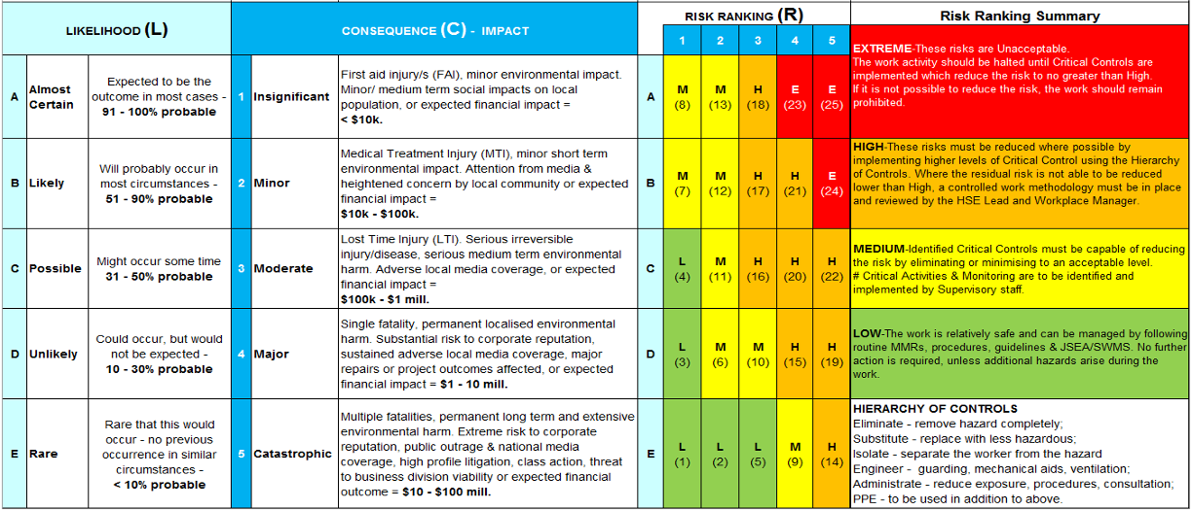
Date: 28 Mar 2023
Prepared By: Mahmoud Jajieh
Note: Insert the top 5 HSE risks for your Asset and or any unusual HSE risk

Risk Hierarchy: E = Extreme, H = High, M = Medium, L = Low
Description Provide a description of the identified task or operation | Upcoming, active or closed | Hazard/Risk | Untreated Risk | Risk Mitigation Strategy Provide a summary of the risk mitigation strategy action | Monitoring Activities Provide a summary of how the risk mitigation strategy action will be monitored | Residual Risk | Person / Team Member to Monitor | Changes/ Reviews | Comments Provide any other general comments as required
Security Specific
Uniform | Active | Miscommunication with public of security when uniform is not worn. Uniform is part of the PPE for the site | M | Ensure the correct uniform is worn in full Grand Group uniform shows the public that the person wearing this uniform is the onsite guard to assist in any needed help, or to report anything to deter any criminal activity and a show of presence from authority. | Grand Group has a Clock In & Out Application where photos of the security guard are captured and shifts monitored by the management | L | Security Manager
Laptop/PC/Equipment | Active | Electric Shock / Electrical Fires ➢ Property damage and personnel injury No Communication via Radio ➢ Threats and risk due to the lack of communication | M | Check cords and regular hardware maintains of devices Ensure safe and related use of specified equipment Ensure no damage on the items being used Ensure Induction process on the use of equipment, report of faults and isolation | Equipment Handover an check Handover - Daily | L | Security Manager
Cleaning; N/A to security duties although exposure is possible |  | Damage to Skin Accident inhaling | M | ➢ Staff awareness of the storage and handling requirements of substances ➢ Wear appropriate Personal Protective Equipment (PPE) | Regular Toolbox Talks and Training | L | Security Manager
Working outside |  | Sun Exposure ➢ Sunburn ➢ Skin Cancers ➢ Corneal Cataracts ➢ Heat Exposure | M | ➢ Staff awareness of Sun Protection ➢ Utilise Sun cream ➢ Ensure Hydration on a regular basis ➢ Wear Sun Protection clothing – PPE (Hat, Sunglasses, long Sleeve Shirts, etc..) | Dedicated SWMS when change of scope is needed | L | Security Manager
Manual Handling, Lifting, Carrying, Pushing, Pulling and holding |  | Strains, Sprains and Soft Tissue Damage Back Injuries Crushing Injuries | M | ➢ Ensure correct lifting equipment is used, such as trolleys ➢ If too heavy, do not lift the item ➢ Ensure staff is trained on the correct lifting procedures/posture ➢ Do not lift heavy materials if you suffer from any medical condition that may impact your health and task | Dedicated SWMS when change of scope is needed | L | Security Manager
Access to Plantrooms and Restricted areas |  | Injuries to workers and others, traffic and plant equipment – impact and crushing injuries. Dust/Fumes Slip, Trip and Falls Access and Egress to chemical storage | M | ➢ Ensure Induction of restricted areas ➢ Ensure correct PPE is always worn ➢ Do not engage in a task if not trained to do so ➢ Be aware of the surrounding environment | Regular Toolbox Talks and Training | L | Security Manager
Housekeeping and work areas |  | Slips, Trips & Falls Abrasions, Back and Muscle Strains | L | ➢ Ensure Area is kept well-maintained and clean ➢ Ensure correct and safe practice is always used ➢ Ensure Area is barricaded, and correct signs are in place and visible ➢ Report any hazard and isolate correctly ➢ Ensure correct reporting and communication procedures are followed ➢ Ensure correct allocation of items is followed | Maintain PPE within the workplace | L | Security Manager
Sole Patrol Day/Night; Arrest and Detaining |  | Injuries to workers and others The use of prohibited weapons In rare cases, death | M | ➢ Ensure backup communication is always available (8 Chifley & Police [if required]) ➢ Revise and practice the correct threat operation procedures ➢ Follow standard security regulations ➢ Do not confront/approach if not safe to do so; ➢ Observe and report if safe to do so | Regular Training and Toolbox Talk | L | Security Manager
Carpark, Loading Dock & Traffic Control Duties |  | Injuries to workers and customers Damage to vehicles and property Risk of Serious Injuries In rare event, death | M | ➢ Be aware of the surrounding environment ➢ Maintain situational awareness ➢ Use traffic Control wands, cones and bollards as required | Regular Training and Toolbox Talk | L | Security Manager
Access to roof area via plantrooms for Cooling Towers and Scuppers/Gutters Inspection |  | Low Level Plant and machinery throughout room and poor lighting causes worker to impact with pant and sustain injury Exposure to fall from height Uneven low friction surfaces – Slip, trip or fall | M | ➢ Ensure correct PPE is always worn ➢ Avoid Proximity to Edge ➢ Obtain an approved Roof Access Permit from Management ➢ Officer to stay at least 2 meters behind designated guardrails ➢ Maintain situational awareness ➢ Wear adequate footwear ➢ Use designated walkway ➢ Extra caution to be taken after rain on wet surfaces | Regular Training and Toolbox Talk | L | Security Manager
Electrical/Communication/Data Riser Inspection Work Near General Electrical Apparatus Inspect Construction fit-out sites Turn ON/OFF specific Circuit Breaker – Tenant Light Breaker |  | Electric Shock / Electrical Fires ➢ Property damage and personnel injury Death | H | ➢ Adequate PPE – Headwear/footwear to be always worn ➢ Wear Insulating gloves when dealing with circuit breakers ➢ Clear and defined communication with site attendees ➢ Maintain situational awareness ➢ Awareness of nearest apparatus – Safety observance and assessment where applicable ➢ Keep >1m from live apparatus where applicable | Access o Electrical Riser must be approved by FM on the day | M | Security Manager
Complete a task (e.g., Meter Readings) using a site fixed ladder, Step ladder under 2m or a platform ladder |  | Falls Slippery Ladder use & ladder not fit for purpose Fractures Dislocations Sprains & Strains Cuts / Contusions Concussion | H | ➢ Adequate PPE is worn ➢ Ensure obtaining training on Ladder 3-points (2 feet and 1 hand) contact procedures and compliance ➢ Always face the ladder and work within arm’s reach ➢ Never overreach ➢ Only one person climbing the ladder at the same time ➢ If platform ladder, 2 people are needed for the task o Ladder must be footed by the other person always – stabilising with at least one hand | Regular Training and Toolbox Talk | M | Security Manager
...

